Sheet1
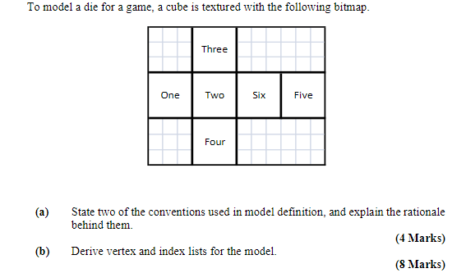
12
13
 |  |  |  |  |  |  |  | Convention 1 Origin at center of mass, rotations and scales pivot around the origin

 |  |  |  |  |  |  |  | Convention 2 All faces described in the same direction (usually counter clockwise) this allows back face culling
7
8
9
10
11

6
2
3
4
5

0
1

 |  |  |  |  |  |  |  |  | Vertex List

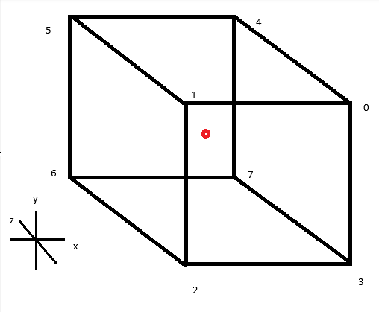
 |  |  |  |  |  |  |  |  | x | y | z
 |  |  |  |  |  |  |  | 0 | 1 | 1 | 1
 |  |  |  |  |  |  |  | 1 | -1 | 1 | 1
 |  |  |  |  |  |  |  | 2 | -1 | -1 | 1
 |  |  |  |  |  |  |  | 3 | 1 | -1 | 1
 |  |  |  |  |  |  |  | 4 | 1 | 1 | -1
 |  |  |  |  |  |  |  | 5 | -1 | 1 | -1
 |  |  |  |  |  |  |  | 6 | -1 | -1 | -1
 |  |  |  |  |  |  |  | 7 | 1 | -1 | -1

Face (Index) List |  |  |  | Texture Face (Index) List |  |  | Normals

Front | 0 | 1 | 2 | 9 | 8 | 3 | 0 | 0 | 1
 | 0 | 2 | 3 | 9 | 3 | 4 | 0 | 0 | 1
Top | 0 | 4 | 5 | 9 | 13 | 12 | 0 | 1 | 0
 | 0 | 5 | 1 | 9 | 12 | 8 | 0 | 1 | 0
Left | 1 | 5 | 6 | 8 | 7 | 2 | -1 | 0 | 0
 | 1 | 6 | 2 | 8 | 2 | 3 | -1 | 0 | 0
Back | 4 | 7 | 6 | 10 | 5 | 6 | 0 | 0 | -1
 | 4 | 6 | 5 | 10 | 6 | 11 | 0 | 0 | -1
Bottom | 2 | 6 | 7 | 3 | 0 | 1 | 0 | -1 | 0
 | 2 | 7 | 3 | 3 | 1 | 4 | 0 | -1 | 0
Right | 0 | 3 | 7 | 9 | 4 | 5 | 1 | 0 | 0
 | 0 | 7 | 4 | 9 | 5 | 10 | 1 | 0 | 0

Texture Vertices
 | u | v
0 | 0.25 | 0
1 | 0.5 | 0
2 | 0 | 0.333333
3 | 0.25 | 0.333333
4 | 0.5 | 0.333333
5 | 0.75 | 0.333333
6 | 1 | 0.333333
7 | 0 | 0.66667
8 | 0.25 | 0.66667
9 | 0.5 | 0.66667
10 | 0.75 | 0.66667
11 | 1 | 0.66667
12 | 0.25 | 1
13 | 0.5 | 1

